Module 3
Main
 | Module 3: Data Management

 | inherent risks associated with data including:
 | data breaches, misuese of data and loss of data

 | OCR | optical character recognition
 | ICR | Intelligent character recognition

 | structured and unstructured data
 | semi-structured
 | OCR becoming less relevant as fewer paper invoices these days
 | ICR - can do the same but for handwriting

 | risk of error in the interpretation of turning handwriting into computer text
 | generally need to clean up the data afterwards
 | data cleansing
 | AI and ML - can enhance the OCR and ICR
 | risks - expensive, programmer bias
 | risk with ownership and security of data if it is being handed around several third parties

 | Data capture
 | Form
 | Source
 | Depth | <<<population size
 | Quantity

 | Activity 1: TakeAway Data Capture
 | (a) Customer Rating, on a scale of 1 to 5, regarding the quality of food
 | received
 | Form - gathering customer feedback
 | Source - directly from the customers
 | Depth - high level as only a 1 to 5 scale
 | Quantity - could have a lot of data as the population is all customers]
 | Most appropriate method of data capture is to provide customers with a survey in the form of a digitial form.
 | digitial form means the results of the survey - 1 to 5 could be easily downloaded into a spreadsheet or DB

 | (b) Profit generated by TakeAway for each of the restaurants
 | Form | pdf
 | Source | pdf invoices
 | Depth | medium depth. Invoice details, number of sales, margins, refunds
 | Quantity | high volume of customer order which will be matched to the weekly invoices from restaurants
 | Recommendation | OCR to collate the data and a human to cleanse it
 |  | automatically interfaced to takaway's accounting system

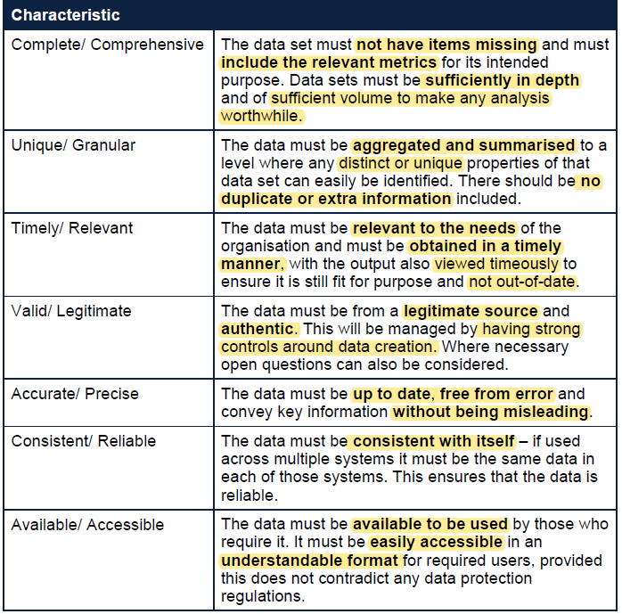

 | Data Cleansing

 | Data profiling
 | what - is the data useful for?

 | Data Quality Standards

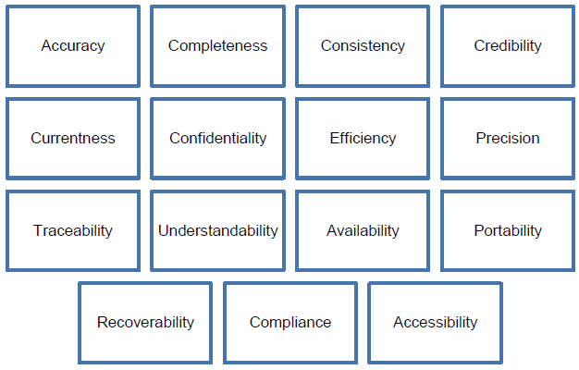

 | Different standars matter more to different users
 | eg. Auditors want credible and confidential data whereas a
 | client may want accurate a precise data

 | Qautlity characteristics must be considered when determingin the data stratefy of the organisation and prioritises to assist in meeting the overall strategy

 | Data which is low quality will not be sufficient to meet the organisational strategies

 | the seven (7) criteria
 | Complete/Comprehensive
 | Unique/Granular
 | Timely/Relevant
 | Valid/Legitimate
 | Accurate/Precise
 | Consistent/Reliable
 | Available/Accessible

 | Characterisic | Evaluation | Recommended actions
1 | Complete/Comprehensive | one third of 1 percent of subsribers responded. This is not a great sample size. We do have 2,500 responses - which is useful and should give us some representative indications. | Additional responses required. Perhaps offer and incentive to get more responses | 0.3333%
2 | Unique/Granular | 900 duplicates means not all data is unique. Any conclusions drawn miay be skewed by the duplicated results | data cleansing should be undertaken to remove the duplicate entries
3 | Timely/Relevant | data obtained in 2019 for potential changes in 2022. therefore it is now 2 years old. Outdated data may result in decisions which do not meet market demands currrent subsribers are buying childresns magazines so wil be pricing their decision assuming this relates to children's magazines | new survey carries out for the most recent year increased ananlysis for the sport/film market
4 | Valid/Legitimate | The data appears to be from legitimate sources – the customers themselves – and cannot be manipulated. The only open question relates to the price which does present a risk of a wide variety of ranges and outliers. | in the new survey - offer a pre-set range for the prices available
5 | Accurate/Precise | 900 duplicate entries which need to be exluded | new survey carries out for the most recent year increased ananlysis for the sport/film market
6 | Consistent/Reliable | stored on one systems with no plans to transfer any data around | if data is moved or copied - need to check consistency with the original any items removed need to be review to enure they are appropriate removals
7 | Available/Accessible | Approporuately stored and password protected in a .csv file at the moment | password only shared with relevant people data wants to be converted into a spreadsheet or database from csv

 | Exam Tips
 | In an exam it is unlikely you would be expected to specifically measure the scenario
 | against the seven characteristics. Instead, you should use these as a checklist to
 | help ensure that you cover as many relevant areas in your answer as possible.

 | Data and Strategy
 | Risks arise when data is presumed to be more reliable than it is

 | Data and Strategy
 | improve processes
 | improve cometitive position
 | create new and improved products
 | provide useful information
 | imporved employee capabilities
 | improved risk management

 | Quality
 | nature and relevance
 | volume of data held
 | other data

 | are all of the above being met with regards to strategy
 | does it allow the org. to meet strategic objectives and draw meaningful conclusions
 | cost benefit of obtaining and retaining data
 | incremental cost of additional data

 | Activity 3
 | Identify | evaluate | recommend improvements
 | free-form answers | non-strucuctured date. Hard to use effectively in analysis | restric the use of free form answering
 | 52% would want digitial but would want it cheaper | we do not know how much cheaper. This is critical to estimate the number of customers who would carry over to the new service | include on the form - if lower how much lower and include set price levels to choose from
 | market reseach does not state how much decline | we would need to know the quantities of the change (decline) in interest in magazine for film. This is critical to assess our accessible market. | further research to understand the size of the accessible market and trends in volume of potential customers
 | competitor analysis | the comparable company is in music magazine which is not a direct comparable. But goof enough. Doing a broad company analysis lacks granularuty around sales data. Also - many more factors influencing company performance than market interset. This is helpful data but not specficially related to film magazines. | more competitior analysis. For companues in film mag business and more granularity around revnue streams
 | internal production data | good data to have when considering cost savings and general trend in the market | continue to collect and analyse this data
 | relates to the existing business model and does not relate to the future strategic objectives
 | note also - the cost / benefit of the recommendations should be considered.

 | Data processing
 | Collection
 | Storage
 | Sorting
 | Processing
 | presentation and conclusion

 | Data Collection
 | Fit for purpose

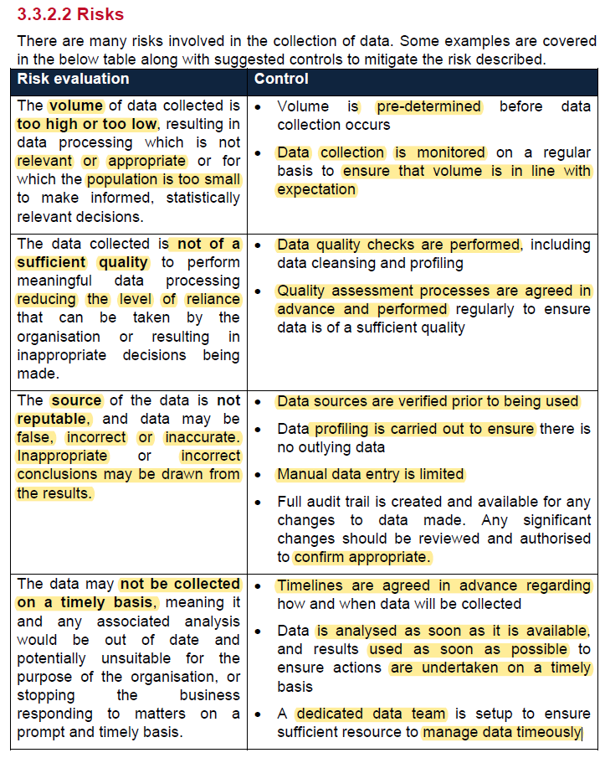
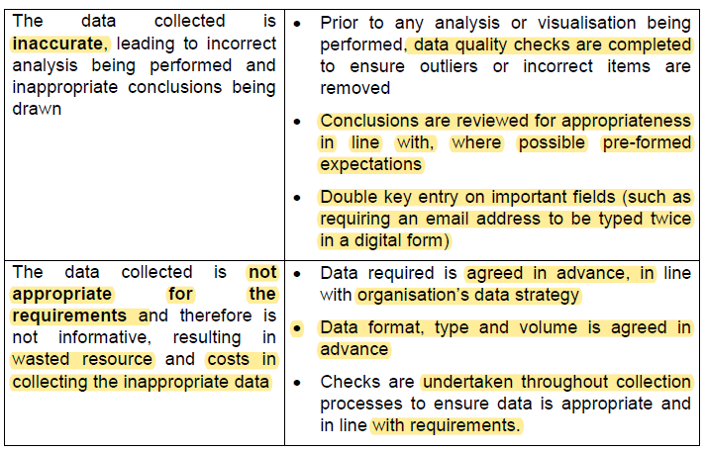

 | Most of the risk mitigation strategies revolve around appropriate planning
 | and checking througout
 | and then compariing the outputs with expectations and a bit of sense checking

 | Data Storage

 | Security
 | Retention
 | Method of storage
 | Volume to store
 | Availability of data to users

 | GDPR states data should only be held for as long as it is needed.

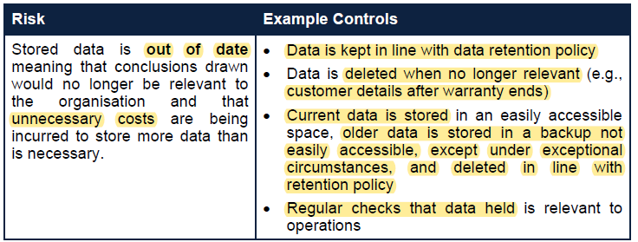
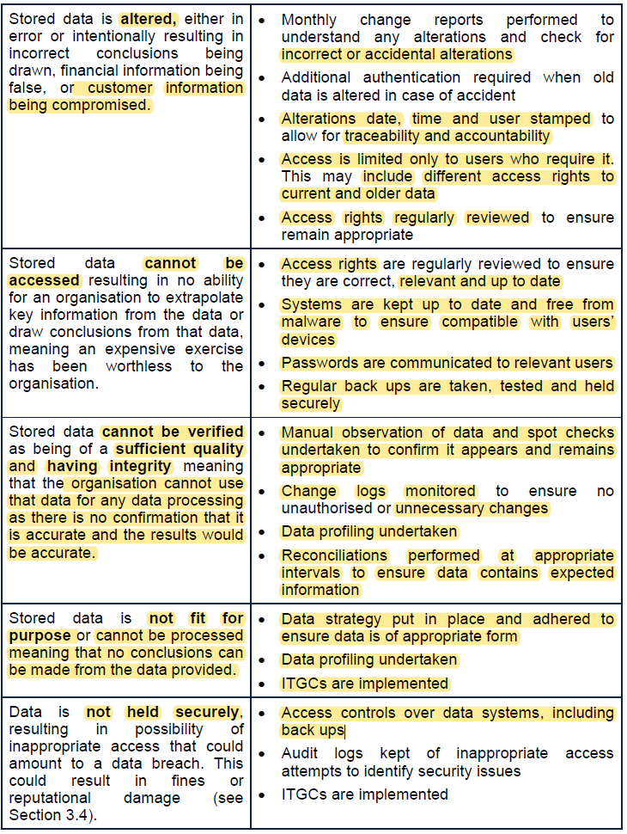

 | data Sorting
 | data is prepared for use by re-arranging data into and ordered sequence
 | to allow more efficient use of that data
 | often done algortihmically
 | can also encompass data filtering
 | this allows certain data to be filtered for and analysed in part
 | think of filtering by car brand and model, then sorting by price

 | Data processing the the stage when date is processed for interpretation
 | usually involving analysis by alfgortithms to transfrom the data into a manageable format

 | method by which the the data would be processed will depend on several factors
 | Source and nature
 | Intended use
 | Technology available
 | Timescale for processing

 | Process type | Explanation | example
 | Batch processing | high volume of similar data | daily sales report
 | Real time processing | Instantaneous processing | Credit card unusual activity monitoring
 | Statistical Processing | effect of different variables on a data set and allowing for comparables | comparing sales volumes from one day to the next and assessing the impact on the business by processing these sales earlier
 | Mechanical processing | Manual Processing | manual copying across data - eg. DCF model, typically done by hand such that user can generate and understanding at the same time

 | Risk
 | need stong ITGC
 | need to have protections around the risk of downtime due to error or intentionally compromised

 | Presentation
 | humans are visually oriented
 | information better received if presented as a visual than plain text

 | Message conveyed in the presented data must be in line with the overall objective of the data to ensure it is appropriate

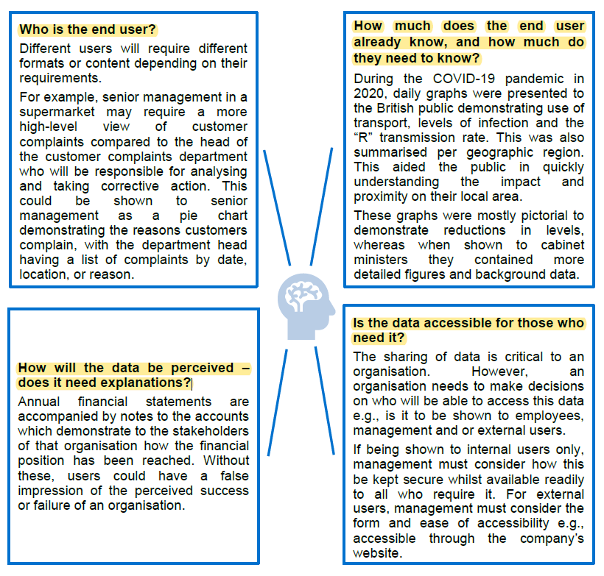

 | In order to make conclusions on the information which is obtained from the data, the end user must:
 | • obtain a visualisation from that data;
 | • ensure they understand that data;
 | • discuss any queries they have;
 | • form a conclusion; and
 | • ensure that they have not drawn incorrect conclusions.

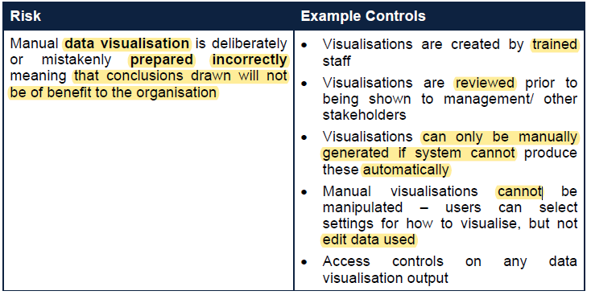
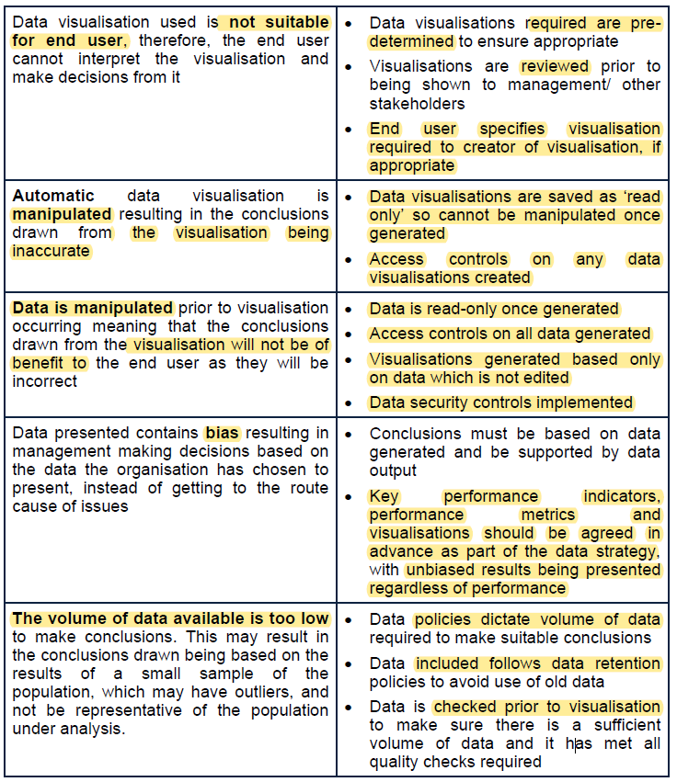

 | Data Misuse
 | generally misuse of personal details by an organisation
 | Data breach | release of confidential or secure data
 | financial risk due to penalties which are in place

 | The GDPR application within the UK is the Data Protection Act (2018) which
 | stipulates that there are penalties for any data breach. These are administered by the
 | Information Commissioner’s Office. The penalties are:
 | • Up to the higher of £17.5 million, or 4% of the organisation’s worldwide turnover in
 | the financial year preceding the breach for failure to comply with any one of the
 | seven data protection principles as covered in TC MIT; or
 | • Up to the higher of £8.7 million, or 2% of the organisation’s worldwide turnover in
 | the financial year preceding the breach for breaking the administrative
 | requirements of GDPR legislation.

 | The main risk is financial and around the fines which can be incurred

 | Strategic risk which could have implications on:
 | financial, reputational, legal or cause other significant issues

 | Commercial risk
 | significant reputational risk following a data breach

 | penalties incurred could hit the cashflows of a company and in turn hit the net assets position

 | Identify weaknesses | evaluate implications | recommend improvements
 | Four methods | whilst probably operationally necessary. There are potential weaknesses around integrating four separate data outputs together
 | hand written | high chance of error# | call handler inputs them directly to online DB input form
 | hand written notes typed up by someone else
 | no follow ups happening
 | accidental email | problems with enquiries not being followed up on. This means incorrect data is being held within the database | include a double email check on the webform. Having to enter user's email twice will increase the chances the email is correct
 | unique number includes personal data | this is unneeded use of personal information | chance to a different numbering process
 | user errors in inputting bank details | cannot collect payment and have to chase for debts | perform a £0.00 transaction upon registering details to ensure bank details are correct
 | the system has been hacked and nothing has been done for three years | we have had a known hack and are still continuing to collect bank details and personal information. | we need a full and professional review of the extent and recovery from that hack
 | old data held beyond the time which it is useful | per GDPR we should not be holding any data which is no longer needed | full audit of old data. Transformation to new system. Purge old data (e.g. graduated students)
 | outdated data retention policy

